
 |  |  |  | CODE: |  |  | pl1240 ad SN from 99G000
DESCRIPTION: |  | HEAD :MOTOR |  | KOPF :MOTOR | TETE :MOTEUR | CABEZA :MOTOR | TESTATA :MOTORE
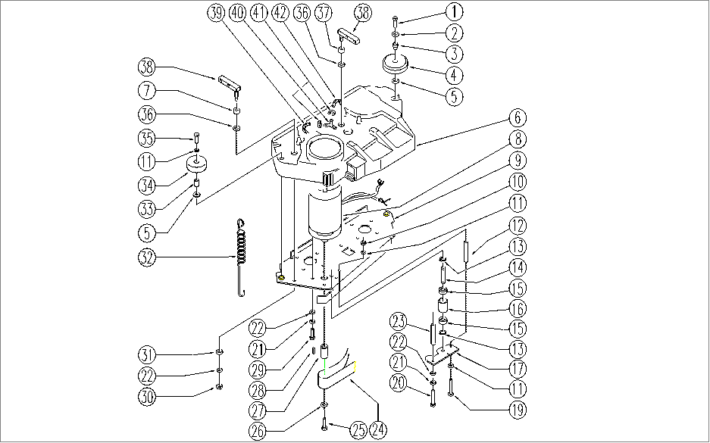

REF. | CODE | DESCRIPTION | QT
1 | SL04074 | SCREW | 1
2 | E86702 | Cham Washer D8 | 1
3 | E87862 | Spacer WS20/24 | 1
4 | E86451 | AS20 Wheel | 1
5 | E86758 | Washer | 2
6 | SL17285 | CAP / SHELL | 1
7 | SL03499 | RUBBER SHIM | 2
8 | E86607 | Brush Motor | 1
9 | SL09613 | PLATE | 1
10 | E86738 | Nut M6 w/ Nylon Ring | 1
11 | E86427 | Washer for AS20 | 2
12 | E89485 | Spacer | 1
13 | E89408 | Stop Ring | 2
14 | E86666 | AS28 Pin | 1
15 | E86667 | Bearing, 6001 2RS | 2
16 | E86727 | Neutral Pulley | 1
17 | E86665 | AS28 Plate (Idler Bearing) | 1
19 | E87833 | Screw WS20 | 1
20 | E89220 | Screw | 2
21 | E89183 | Washer | 4
22 | E86879 | Washer | 6
23 | E86555 | spacer | 2
24 | E86631 | Belt | 1
25 | E87768 | Screw | 1
26 | E87757 | Washer | 1
27 | E87756 | Pulley | 1
28 | E86536 | Key | 1
29 | E89182 | Screw | 2
30 | E86853 | Nyloc Hex Nut, M8 Zinc | 2
31 | E86881 | Washer | 2
32 | SL13063 | SPRING | 1
33 | E86683 | AS24 Wheel Bushing | 1
34 | E86406 | Wheel D 60 | 1
35 | SL04067 | SCREW | 1
36 | E86980 | Washer PPL66 D13-24-2.5 Uni 6592 | 2
37 | E86975 | Rubber Gasket D11.25 L=10 | 2
38 | SL09629 | BRACKET | 2
39 | SL19294 | HOSE | 1
40 | SL18234 | CONNECTOR | 1
41 | E86751 | Clamp 10-16 | 3
42 | SL19295 | HOSE | 1

